GH2-7
ID | # GH2-7
Reporter: | Zinaida Liashenko | Assignee: | Developer X | Status: | New
Type: | Defect | Severity: | Major | Priority: | High
Browser: | Chrome Version 107.0.5304.121 | OS: | Windows 10 Pro | OS version | 21H2
Summary: | Button with arrow "right" is leading to Питання 7 from Питання 5 in the Navigation menu in header
Description:
Pre-conditions:
1 | https://qa-autocheck-test.goit.global/?token=d5fcc3783ba50fcac78b5a5ea8e4d69f6fe51ed8368bc618a58a846ad8b03a63&block=xyz01ab35 is opened.
2 | The Питання 5 is opened in Navigation menu.
Steps to reproduce:
1 | Click on the button with arrow "right".
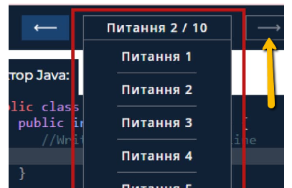
Actual result:
 | The Питання 7 is opened.

Expected result:
 | The Питання 6 is opened.

Attachments: | picture 1
Additional info:

GH2-11
ID | # GH2-11
Reporter: | Zinaida Liashenko | Assignee: | Developer X | Status: | New
Type: | Defect | Severity: | Major | Priority: | High
Browser: | Chrome Version 107.0.5304.121 | OS: | Windows 10 Pro | OS version | 21H2
Summary: | The "Приховати теорію і завдання" button expands Editor window to wrong size.
Description:
Pre-conditions:
1 | https://qa-autocheck-test.goit.global/?token=d5fcc3783ba50fcac78b5a5ea8e4d69f6fe51ed8368bc618a58a846ad8b03a63&block=xyz01ab35 is opened.
Steps to reproduce:
1 | Click on the "Приховати теорію і завдання" button in the left top corner of Body.

Actual result:
 | Editor window expired to wrong size.

Expected result:
 | Editor window is expanded to the entire width of the page.

Attachments: | picture 1, picture 2, picture 3
Additional info:

GH2-13
ID | # GH2-13
Reporter: | Zinaida Liashenko | Assignee: | Developer X | Status: | New
Type: | Defect | Severity: | Major | Priority: | High
Browser: | Chrome Version 107.0.5304.121 | OS: | Windows 10 Pro | OS version | 21H2
Summary: | The check menu does not move to the bottom of the page after clicking on the "Приховати секцію результатів" button
Description:
Pre-conditions:
1 | https://qa-autocheck-test.goit.global/?token=d5fcc3783ba50fcac78b5a5ea8e4d69f6fe51ed8368bc618a58a846ad8b03a63&block=xyz01ab35 is opened.
Steps to reproduce:
1 | Click on the "Приховати секцію результатів" button.
 | 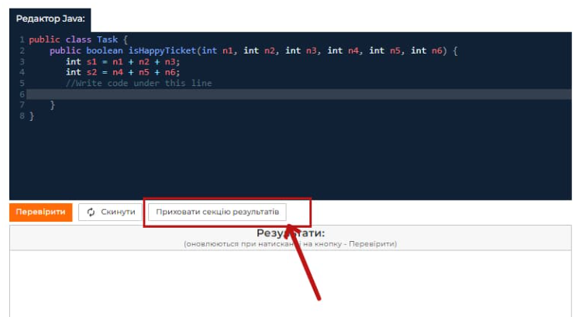
Actual result:
 | "Секція результатів" is collapsed. Edition code window is expended to the entire height of the page. The check menu is NOT moved to the bottom of the page.
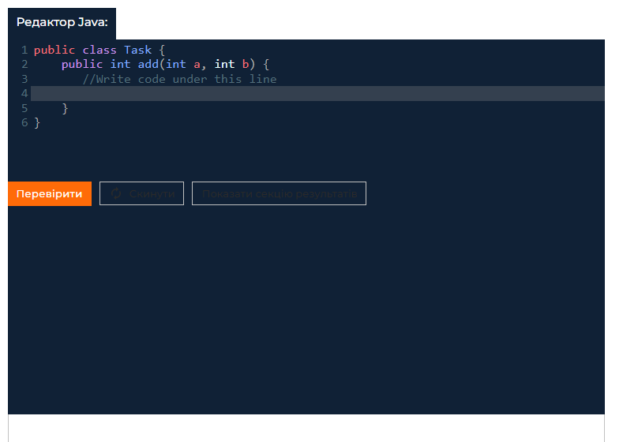
Expected result:
 | "Секція результатів" is collapsed. Edition code window is expended to the entire height of the page. The check menu is moved to the bottom of the page.

Attachments: | picture 1, picture 2
Additional info:

GH2-15
ID | # GH2-15
Reporter: | Zinaida Liashenko | Assignee: | Developer X | Status: | New
Type: | Defect | Severity: | Major | Priority: | High
Browser: | Chrome Version 107.0.5304.121 | OS: | Windows 10 Pro | OS version | 21H2
Summary: | The "Результати" window shows compilation error for Питання 4 with valid code
Description:
Pre-conditions:
1 | https://qa-autocheck-test.goit.global/?token=d5fcc3783ba50fcac78b5a5ea8e4d69f6fe51ed8368bc618a58a846ad8b03a63&block=xyz01ab35 is opened.
2 | The Питання 4 is opened in Navigation menu in the header.
Steps to reproduce:
1 | Set the valid code in the line highlighted in grey, in which the cursor is set.
2 | Click on the "Перевірити" button.
Actual result:
 | The "Результати" window shows compilation error.
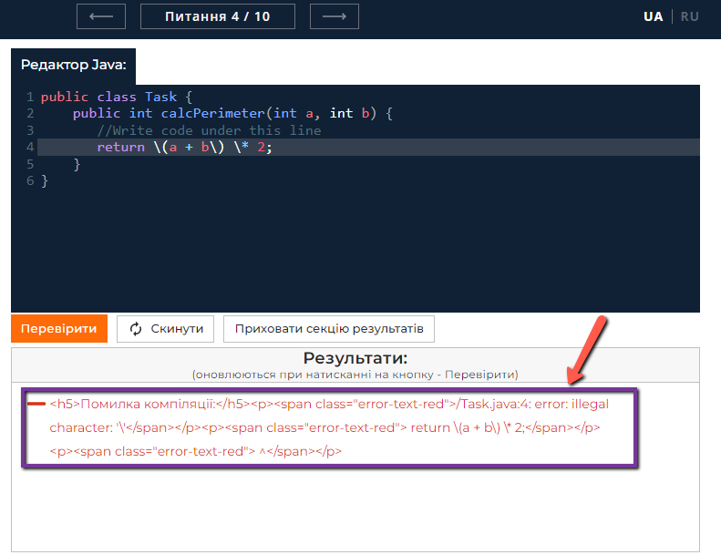
Expected result:
 | All text in the "Результати" window is green and each item is checked as pass.

Attachments: | picture 1
Additional info:

GH2-18
ID | # GH2-18
Reporter: | Zinaida Liashenko | Assignee: | Developer X | Status: | New
Type: | Defect | Severity: | Major | Priority: | Medium
Browser: | Chrome Version 107.0.5304.121 | OS: | Windows 10 Pro | OS version | 21H2
Summary: | Modal window "Політика конфіденційності" is opening with no text when Ukrainian language was chosen
Description:
Pre-conditions:
1 | https://qa-autocheck-test.goit.global/?token=d5fcc3783ba50fcac78b5a5ea8e4d69f6fe51ed8368bc618a58a846ad8b03a63&block=xyz01ab35 is opened.
2 | Ukrainian language is chosen.
Steps to reproduce:
1 | Click on the clickable text "Політика конфіденційності" in the footer.

Actual result:
 | Modal window is opened with no text inside.

Expected result:
 | Modal window with information about політика конфіденційності is opened. Text language in modal window is Ukrainian.

Attachments: | picture 1, picture 2
Additional info:

